Data Visulaization
DATA VISUALIZATION

1 | Visualize the distribution of players in the team.
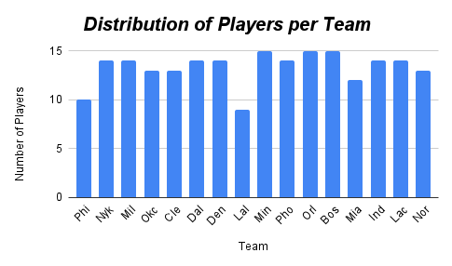

2 | Show the distribution of the players Positions (POS) -count of the diff player position
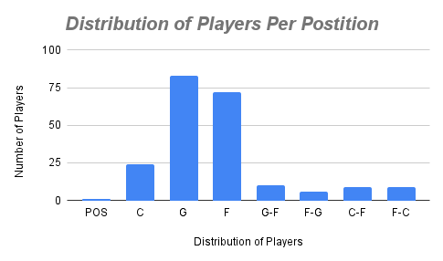

3 | Compare the Average PPG, RPG and APG acroos different teams.

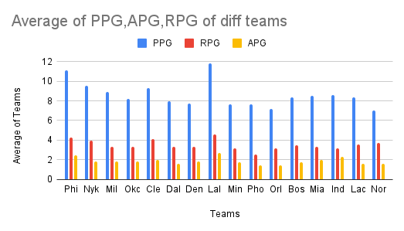

4 | Visual the relationship between PPG and Minutes Per Game(MPG)

